Trends
Axis Bank Line Chart
 | close
2 Jan 23 | 941.6
3 Jan 23 | 962.3
4 Jan 23 | 957.45
5 Jan 23 | 949.55
6 Jan 23 | 939.9
9 Jan 23 | 958.75
10 Jan 23 | 952.15
11 Jan 23 | 949.75
12 Jan 23 | 935.55
13 Jan 23 | 934.15
16 Jan 23 | 913.15
17 Jan 23 | 917.7
18 Jan 23 | 924
19 Jan 23 | 928.7
20 Jan 23 | 930.55
23 Jan 23 | 932.7
24 Jan 23 | 910.2
25 Jan 23 | 892.35
27 Jan 23 | 873.75
30 Jan 23 | 871.85
31 Jan 23 | 871.6
1 Feb 23 | 857.25
2 Feb 23 | 868.45
3 Feb 23 | 882.6
6 Feb 23 | 882.65
7 Feb 23 | 879.1
8 Feb 23 | 871.75
9 Feb 23 | 867.7
10 Feb 23 | 867.25
13 Feb 23 | 859.1
14 Feb 23 | 870.75
15 Feb 23 | 868.3
16 Feb 23 | 864.75
17 Feb 23 | 854.9
20 Feb 23 | 846.75
21 Feb 23 | 844.05
22 Feb 23 | 833.35
23 Feb 23 | 844.35
24 Feb 23 | 851.4
27 Feb 23 | 854.35
28 Feb 23 | 844.1
1 Mar 23 | 865.15
2 Mar 23 | 845.45
3 Mar 23 | 852.65
6 Mar 23 | 859.5
8 Mar 23 | 860.95
9 Mar 23 | 867.8
10 Mar 23 | 851.9
13 Mar 23 | 832.35
14 Mar 23 | 832.85
...
1 - Primary Trend - 2 Jan 2023
2 - Secondary Trend - 7 March to 26 March 2024
3 - Minor Trend - 3 Jan to 8 Jun 2024
4 - Minor Trend - 20 Feb to 26 Feb 2024
5 - Secondary Trend - 19 July to 7 August 2024
6 - Minor Trend - 23 May to 29 May 2024

Candlestick Patterns
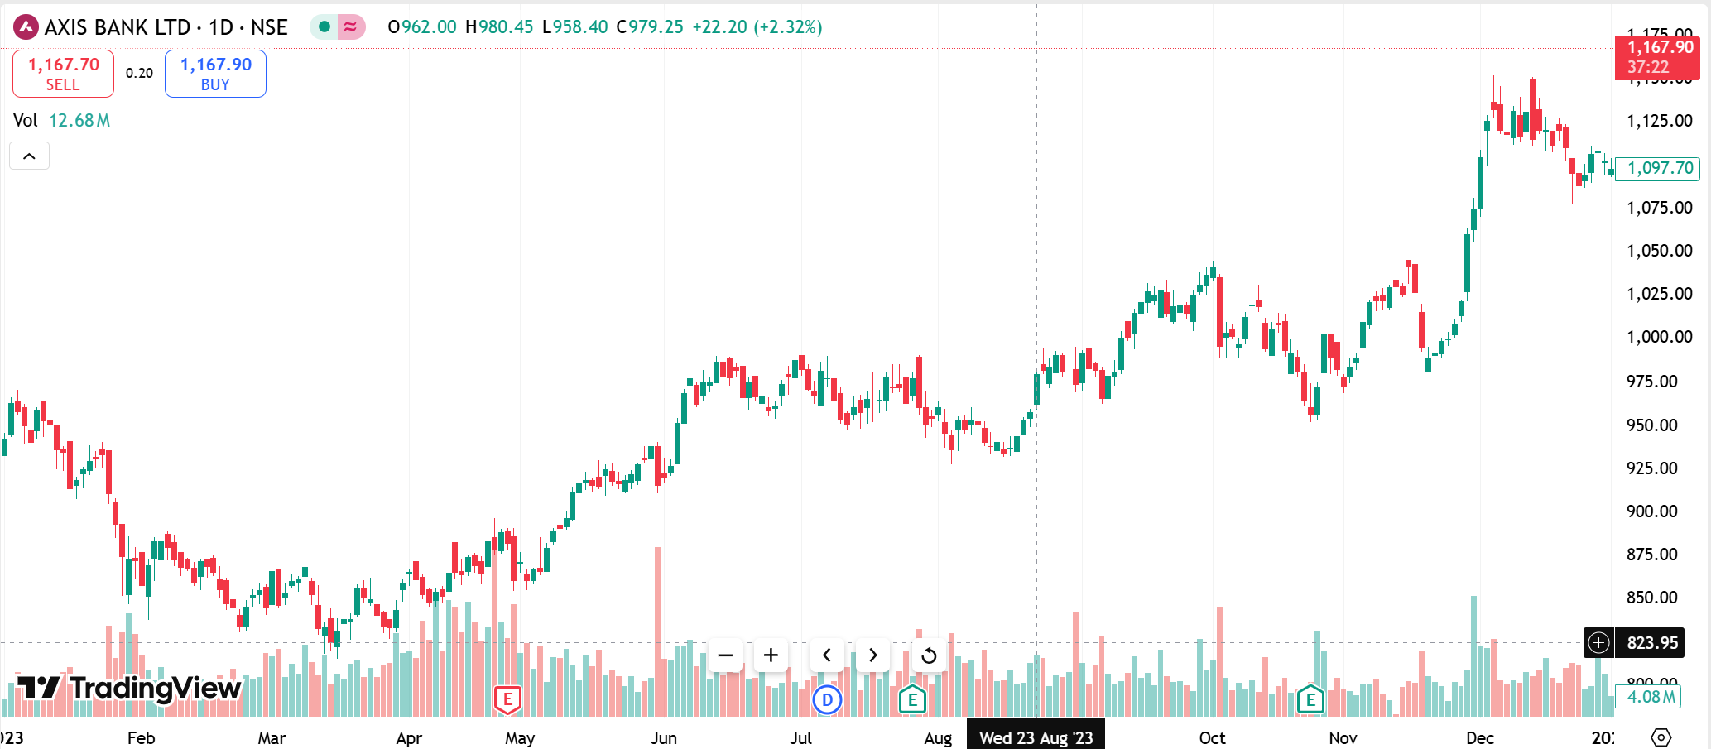

Doji

Doji

Bearish Engulfing

Three Outside Up

Bearish Engulfing

Leading and Lagging
Date | Action | Price (₹) | Shares Held | Portfolio Value (₹) | Reason for Action | Portfolio Growth Summary
2024-01-23 | Sell | N/A | 0 | Not invested | Moving Average Double (14 crosses below 21) and RSI indicates overbought conditions. | Starting Value: ₹1,000,000 Ending Value: ₹1,303,419.6 Total Profit: ₹303,419.6 (+30.34%)
2024-04-11 | Buy | 853.3 | 1,172 | ₹ 999,887.60 | Moving Average Double (14 crosses above 21) and RSI signals oversold or reversal potential.
2024-07-27 | Sell | 973.25 | 0 | ₹ 1,141,224.50 | Moving Average Double signals weakening trend (14 close to crossing below 21), and RSI declines. | Signal Effectiveness Evaluation
2024-08-24 | Buy | 981.35 | 1,163 | ₹ 1,140,961.60 | Moving Average Double crossover (14 above 21), supported by RSI recovery from lower levels. | 11 April Buy: Signal was accurate. Price increased significantly after the buy signal.
2024-10-03 | Sell | 1,041.05 | 0 | ₹ 1,211,944.15 | RSI near overbought; price nearing resistance; Moving Averages remain flat, signaling stagnation. | 27 July Sell: Accurate. Price declined after this point, preventing potential losses.
2024-11-12 | Buy | 1,029.95 | 1,176 | ₹ 1,211,352.20 | Moving Average Double (14 crosses above 21); RSI recovery suggests bullish momentum. | 24 August Buy: Accurate. Price increased after the buy.
2024-12-28 | Sell | 1,107.85 | 0 | ₹ 1,303,419.60 | RSI overbought, price peaking, and divergence visible between price and Moving Averages. | 3 October Sell: Accurate. Price peaked soon after, and the decision avoided holding during a stagnation phase.
 |  |  |  |  |  | 12 November Buy: Signal was valid but less impactful. While there was a mild increase in price, the trade did not yield significant growth.
 |  |  |  |  |  | 28 December Sell: Accurate. Price was at a high; selling locked in significant profits.

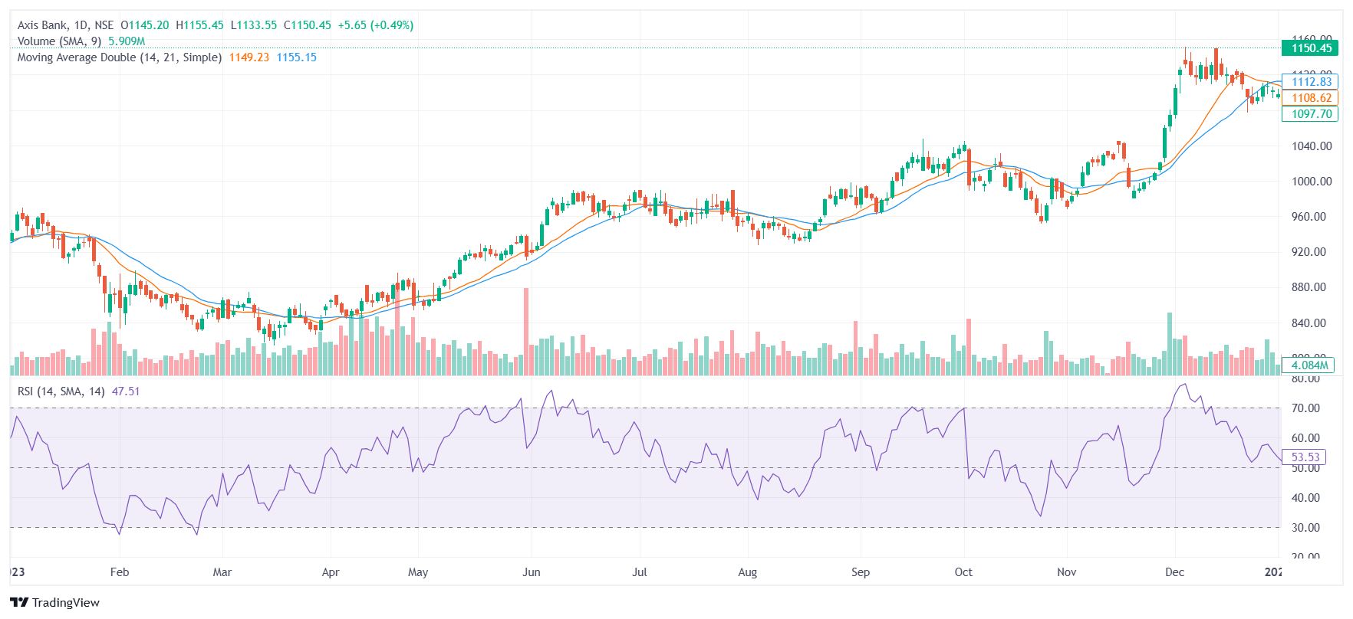
SELL
28 DEC
SELL
3 OCT

BUY
24 Aug

SELL
27 July

BUY
12 NOV

SELL
23 January
BUY
11 April

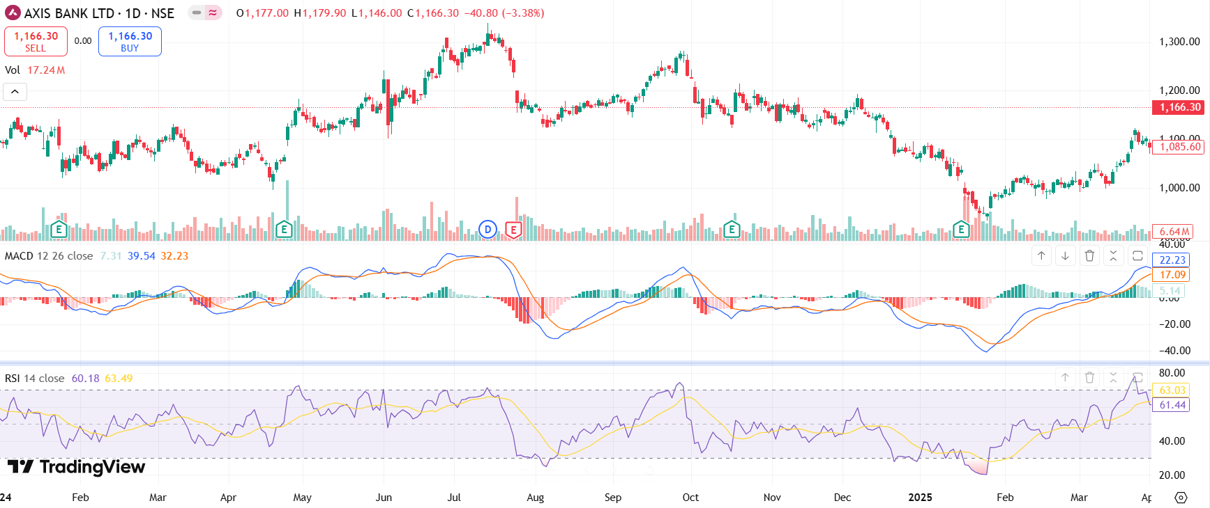

SELL
SELL
 |  |  |  |  |  |  | Time. | Action | Reason
 |  |  |  |  |  |  | 15th JUlY,24 | SELL | RSI>70 overbought and MACD STARTS DIPPING
 |  |  |  |  |  |  | 25TH SEPTEMBER,24 | SELL | RSI>70 overbought and MACD STARTS DIPPING
 |  |  |  |  |  |  | 28TH JAN ,25 | BUY | RSI<30 under bought and MACD starts rising

BUY

